CUREE
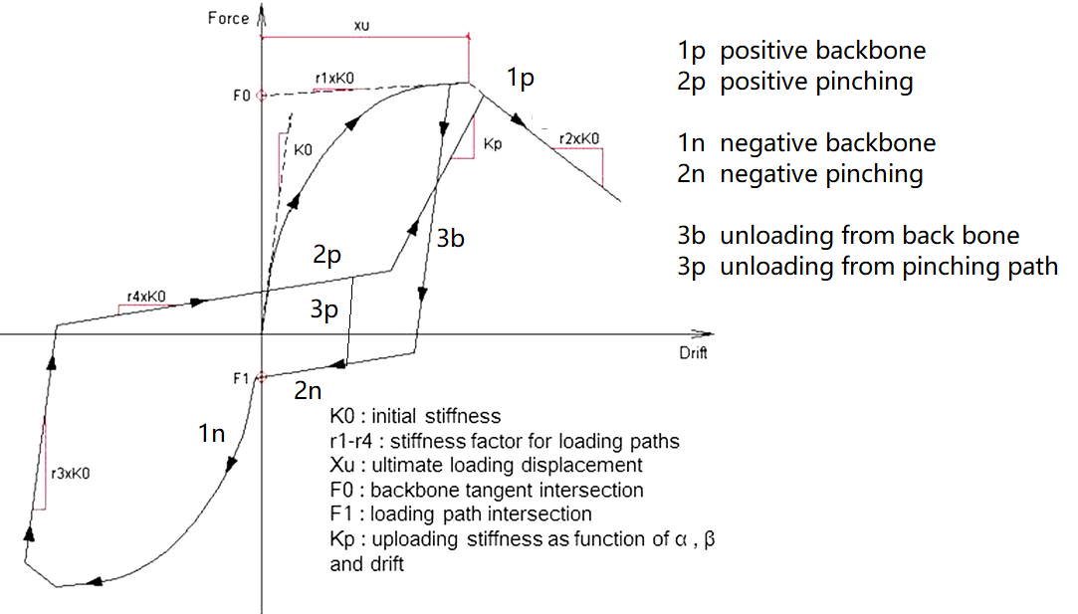
 | This assumes you will not go through 2 paths in one time step (that will be too much)
 | path change rules
Path ID | On path | New_X | CuX | DX | Change Path? | Function to get force | tracker change
0 | 1p |  |  | + |  | Path_1P | Xmax
 |  |  |  | - | 3b | Path_3B | Unload Xp
1 | 1n |  |  | + | 3b | Path_3B | Unload Xn
 |  |  |  | - |  | Path_1N | Xmin
4 | 3b | > unload XP | + |  | 1p | path_1P | Xmax
 |  | <3bN | + |  | 2n | Path_2N
 |  | within bound | + |  |  | Path_3B
 |  | < unload XN | - |  | 1n | Path_1N | Xmin
 |  | >3bP | - |  | 2p | Path_2P
 |  | within bound | - |  |  | Path_3B
5 | 3p | >3pp |  |  | 2p | Path_2P
 |  | <3pn |  |  | 2n | Path_2N
 |  | within bound |  |  |  | Path_3B
2 | 2p | < unload XP*Beta |  | + |  | Path_2P
 |  | > unload XP*Beta |  | + | 1p | Path_1P | Xmax
 |  |  |  | - | 3p | path_3P
3 | 2n | > unload XN*Beta |  | - |  | Path_2N
 |  | < unload XN*Beta |  | - | 1n | Path_1N | Xmin
 |  |  |  | + | 3p | path_3P

X target | unloading X * Beta
Kp | K0*(F0/K0/Xt)^alpha

